Analysis
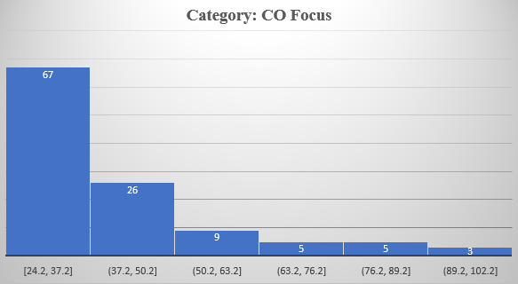
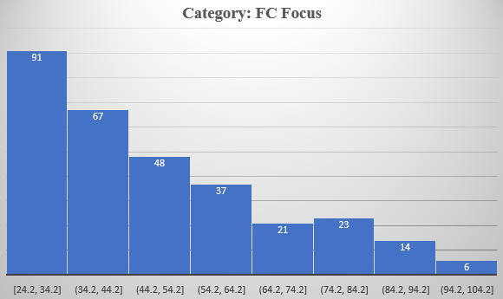
Subject Range (Focus)
 | CO | FC | FO | SP
Mean | 40.4 | 48.2 | 37.4 | 34.5
Max | 100 | 98.8 | 89.2 | 72.3
Min | 24.2 | 24.2 | 24.4 | 24.6
Median | 34.7 | 43.6 | 34.3 | 29.5
Mode | 26.3 | 81.5 | 36.1 | 24.8
1st Quartile | 28.15 | 31.65 | 29.1 | 26.375
3rd Quartile | 45.15 | 59.3 | 41.4 | 36.325

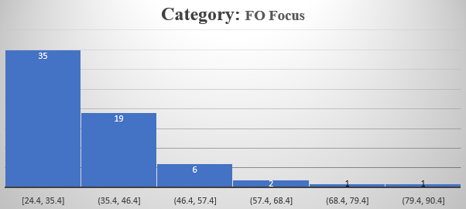
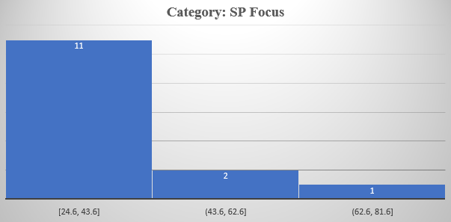

Research Intensity

 | HI | LO | MD | VH | Ages | 1 | 2 | 3 | 4 | 5 | Size
Mean | 30.8 | 25.5 | 28.6 | 46.1 | Mean | 55.3 | 35 | 38.5 | 41.5 | 50.8 | Confidence Interval | M | L | S | XL
Min | 24.4 | 24.8 | 25.5 | 24.2 | Min | 27.6 | 24.2 | 24.4 | 24.3 | 24.4 | alpha | 0.05 | 0.05 | 0.05 | 0.05
Max | 50.8 | 26.2 | 33.3 | 100 | Max | 83.8 | 55.9 | 92.7 | 90.1 | 100 | stdev | 17.89074 | 18.46144 | 14.96243 | 18.95913
Mode | 24.9 | #N/A | #N/A | 30.2 | Median | 55.7 | 32.7 | 33.7 | 37.2 | 46.8 | n | 85 | 240 | 32 | 143
Median | 28.1 | 25.5 | 27.7 | 40 | Mode | #N/A | #N/A | 33.7 | 29.8 | 54.5 | Sample mean | 40.5 | 44.3 | 36.3 | 49.6
1st Quartile | 25.375 | 25.15 | 26.1 | 30.7 | 1st Quantile | 37.475 | 27.35 | 28 | 29.8 | 34.825 | Marginal error | 3.803356 | 2.335651 | 5.184121 | 3.107409
3rd Quartile | 35.425 | 25.85 | 30.15 | 56.2 | 3rd Quantile | 71.775 | 41.925 | 42.05 | 48.4 | 62.15 | Upper bound | 44.3 | 46.6 | 41.5 | 52.7
 |  |  |  |  | Mean | 55.3 | 35 | 38.5 | 41.5 | 50.8 | Lower bound | 36.7 | 42 | 31.1 | 46.5

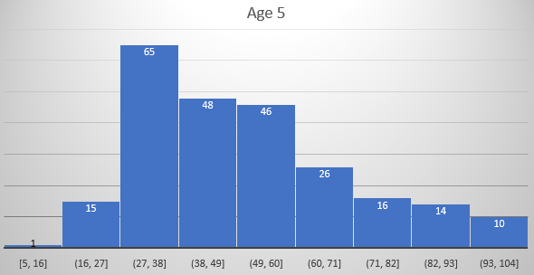
 |  |  |  |  |  |  |  |  |  |  | Subject Range
 |  |  |  |  |  |  |  |  |  |  | Confidence Interval | CO | FC | FO | SP
 |  |  |  |  |  |  |  |  |  |  | alpha | 0.05 | 0.05 | 0.05 | 0.05
 |  |  |  |  |  |  |  |  |  |  | stdev | 17.36852 | 13.6674 | 12.43242 | 13.33109
 |  |  |  |  |  |  |  |  |  |  | n | 115 | 307 | 64 | 14
 |  |  |  |  |  |  |  |  |  |  | Sample mean | 40.4 | 48.2 | 37.4 | 34.5
 |  |  |  |  |  |  |  |  |  |  | Marginal error | 3.174403 | 1.52885 | 3.045888 | 6.983125
 |  |  |  |  |  |  |  |  |  |  | Upper bound | 43.6 | 49.7 | 40.4 | 41.4
 |  |  |  |  |  |  |  |  |  |  | Lower bound | 37.3 | 46.6 | 34.3 | 27.5

 |  |  |  |  |  |  |  |  |  |  | Research Intensity
 |  |  |  |  |  |  |  |  |  |  | Confidence Interval | HI | LO | MD | VH
 |  |  |  |  |  |  |  |  |  |  | alpha | 0.05 | 0.05 | 0.05 | 0.05
 |  |  |  |  |  |  |  |  |  |  | stdev | 6.720172 | 0.989949 | 3.522783 | 18.87543
 |  |  |  |  |  |  |  |  |  |  | n | 40 | 2 | 4 | 453
 |  |  |  |  |  |  |  |  |  |  | Sample mean | 30.8 | 25.5 | 28.6 | 46.1
 |  |  |  |  |  |  |  |  |  |  | Marginal error | 2.082565 | 1.371975 | 3.452264 | 1.738184
 |  |  |  |  |  |  |  |  |  |  | Upper bound | 32.9 | 26.9 | 32 | 47.8
 |  |  |  |  |  |  |  |  |  |  | Lower bound | 28.7 | 24.1 | 25.1 | 44.4

 |  |  |  |  |  |  |  |  |  |  | Age
 |  |  |  |  |  |  |  |  |  |  | Confidence Interval | 1 | 2 | 3 | 4
 |  |  |  |  |  |  |  |  |  |  | alpha | 0.05 | 0.05 | 0.05 | 0.05
 |  |  |  |  |  |  |  |  |  |  | stdev | 21.7416 | 9.989824 | 16.07533 | 15.8862
 |  |  |  |  |  |  |  |  |  |  | n | 8 | 12 | 55 | 137
 |  |  |  |  |  |  |  |  |  |  | Sample mean | 55.3 | 35 | 38.5 | 41.5
 |  |  |  |  |  |  |  |  |  |  | Marginal error | 15.06588 | 5.652171 | 4.248412 | 2.66016
 |  |  |  |  |  |  |  |  |  |  | Upper bound | 70.3 | 40.7 | 42.8 | 44.2
 |  |  |  |  |  |  |  |  |  |  | Lower bound | 40.2 | 29.4 | 34.3 | 38.9

Overal score based on size
